All stocks
Stock Price Analysis Comparision

Max Price
 | Apple | Amazon | Google | Micorsoft
Total | $180.10 | $1,498.00 | $1,186.89 | $96.07
Min Price
 | Apple | Amazon | Google | Microsoft
Total | $55.01 | $245.75 | $487.56 | $27.23
Avg Price
 | Apple | Amazon | Google | Microsoft
Total | $109.06 | $576.87 | $725.36 | $51.03
Price Standard Deviation
 | Apple | Amazon | Google | Microsoft
Total | $30.55 | $282.50 | $166.00 | $14.86
All Stocks

Apple

Google

Microsoft

Amazon

Price Estimations
 | Series1 | Series2
1 | 241.19844005 | -6.0842400492
2 | 1518.8831794 | 155.56682057
3 | 125.78877424 | -2.4887742403
4 | 2063.0000389 | -319.25003887
1:Apple 2:Google 3:Microsoft 4:Amazon
Daily Stock Price Comparision
 | Apple | Google | Micorsoft | Amazon
2/8/2013 | 67.8542 | 261.95 | 27.55 | 261.95
2/11/2013 | 68.5614 | 257.21 | 27.86 | 257.21
2/12/2013 | 66.8428 | 258.7 | 27.88 | 258.7
2/13/2013 | 66.7156 | 269.47 | 28.03 | 269.47
2/14/2013 | 66.6556 | 269.24 | 28.04 | 269.24
2/15/2013 | 65.7371 | 265.09 | 28.01 | 265.09
2/19/2013 | 65.7128 | 269.75 | 28.045 | 269.75
2/20/2013 | 64.1214 | 266.41 | 27.87 | 266.41
2/21/2013 | 63.7228 | 265.94 | 27.49 | 265.94
2/22/2013 | 64.4014 | 265.42 | 27.76 | 265.42
2/25/2013 | 63.2571 | 259.87 | 27.37 | 259.87
2/26/2013 | 64.1385 | 259.36 | 27.37 | 259.36
2/27/2013 | 63.5099 | 263.25 | 27.81 | 263.25
2/28/2013 | 63.0571 | 264.27 | 27.8 | 264.27
3/1/2013 | 61.4957 | 265.74 | 27.95 | 265.74
3/4/2013 | 60.0071 | 273.11 | 28.15 | 273.11
3/5/2013 | 61.5919 | 275.59 | 28.35 | 275.59
3/6/2013 | 60.8088 | 273.79 | 28.09 | 273.79
3/7/2013 | 61.5117 | 273.88 | 28.14 | 273.88
3/8/2013 | 61.6742 | 274.19 | 28 | 274.19
3/11/2013 | 62.5528 | 271.24 | 27.87 | 271.24
3/12/2013 | 61.2042 | 274.13 | 27.91 | 274.13
3/13/2013 | 61.1928 | 275.1 | 27.915 | 275.1
3/14/2013 | 61.7857 | 265.74 | 28.135 | 265.74
3/15/2013 | 63.3799 | 261.82 | 28.035 | 261.82
3/18/2013 | 65.1028 | 257.89 | 28.1 | 257.89
3/19/2013 | 64.9271 | 256.41 | 28.18 | 256.41
3/20/2013 | 64.5828 | 257.278 | 28.315 | 257.278
3/21/2013 | 64.6756 | 253.39 | 28.11 | 253.39
3/22/2013 | 65.9871 | 257.75 | 28.25 | 257.75
3/25/2013 | 66.2256 | 256.02 | 28.16 | 256.02
3/26/2013 | 65.8765 | 260.31 | 28.155 | 260.31
3/27/2013 | 64.5828 | 265.3 | 28.37 | 265.3
3/28/2013 | 63.2371 | 266.49 | 28.605 | 266.49
4/1/2013 | 61.2728 | 261.61 | 28.61 | 261.61
4/2/2013 | 61.3988 | 263.322 | 28.8 | 263.322
4/3/2013 | 61.7128 | 259.03 | 28.56 | 259.03
4/4/2013 | 61.1028 | 259.08 | 28.595 | 259.08
4/5/2013 | 60.4571 | 255.48 | 28.7 | 255.48
4/8/2013 | 60.8871 | 258.95 | 28.59 | 258.95
4/9/2013 | 60.9971 | 261.14 | 29.61 | 261.14
4/10/2013 | 62.2414 | 264.77 | 30.28 | 264.77
4/11/2013 | 62.0471 | 269.85 | 28.935 | 269.85
4/12/2013 | 61.3999 | 272.87 | 28.79 | 272.87
4/15/2013 | 59.9785 | 267.72 | 28.69 | 267.72
4/16/2013 | 60.8914 | 272.34 | 28.97 | 272.34
4/17/2013 | 57.5428 | 267.4 | 28.825 | 267.4
4/18/2013 | 56.0071 | 259.42 | 28.79 | 259.42
4/19/2013 | 55.7899 | 260.32 | 29.765 | 260.32
4/22/2013 | 56.9528 | 263.55 | 30.83 | 263.55
...

Apple
Apple Stock Price Analysis

 | $180.10 | $55.01 | $109.06 | $30.55
All Stocks
Highest Price
Lowest Price
Avg Price
Price Deviation

Apple
Volume of the Stocks
 | Total
2013 | 21574452606
2014 | 15934013092
2015 | 13068421452
2016 | 9686251480
2017 | 6797072145
2018 | 986094992
Everyday Closing Price
 | Total
08-02-2013 | 67.8542
11-02-2013 | 68.5614
12-02-2013 | 66.8428
13-02-2013 | 66.7156
14-02-2013 | 66.6556
15-02-2013 | 65.7371
19-02-2013 | 65.7128
20-02-2013 | 64.1214
21-02-2013 | 63.7228
22-02-2013 | 64.4014
25-02-2013 | 63.2571
26-02-2013 | 64.1385
27-02-2013 | 63.5099
28-02-2013 | 63.0571
01-03-2013 | 61.4957
04-03-2013 | 60.0071
05-03-2013 | 61.5919
06-03-2013 | 60.8088
07-03-2013 | 61.5117
08-03-2013 | 61.6742
11-03-2013 | 62.5528
12-03-2013 | 61.2042
13-03-2013 | 61.1928
14-03-2013 | 61.7857
15-03-2013 | 63.3799
18-03-2013 | 65.1028
19-03-2013 | 64.9271
20-03-2013 | 64.5828
21-03-2013 | 64.6756
22-03-2013 | 65.9871
25-03-2013 | 66.2256
26-03-2013 | 65.8765
27-03-2013 | 64.5828
28-03-2013 | 63.2371
01-04-2013 | 61.2728
02-04-2013 | 61.3988
03-04-2013 | 61.7128
04-04-2013 | 61.1028
05-04-2013 | 60.4571
08-04-2013 | 60.8871
09-04-2013 | 60.9971
10-04-2013 | 62.2414
11-04-2013 | 62.0471
12-04-2013 | 61.3999
15-04-2013 | 59.9785
16-04-2013 | 60.8914
17-04-2013 | 57.5428
18-04-2013 | 56.0071
19-04-2013 | 55.7899
22-04-2013 | 56.9528
...

Google

Microsoft

Amazon

Stock Price Estimation
Highest price esitmation | $241.20
Lowest price esitimation | $-6.08
Volatility Change in %
Max of Volatility % | 9.17%
Min of Volatility % | -6.92%
Average of Volatility %
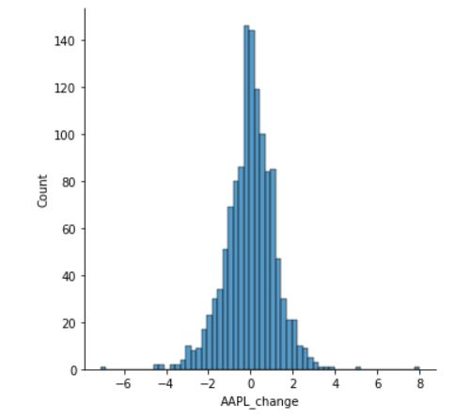

Stock Price
Distribution

Google
Google Stock Price Analysis

Highest Price
Lowest Price
Avg Price
 | $1,186.89 | $487.56 | $725.36 | $166.00
All Stocks
Price Deviation

Apple
Volume of the Stocks
 | Total
2014 | 363746786
2015 | 521202260
2016 | 461848135
2017 | 370782244
2018 | 45624031
Everyday Closing Price
 | Total
27-03-2014 | 558.46
28-03-2014 | 559.99
31-03-2014 | 556.97
01-04-2014 | 567.16
02-04-2014 | 567
03-04-2014 | 569.74
04-04-2014 | 543.14
07-04-2014 | 538.15
08-04-2014 | 554.9
09-04-2014 | 564.14
10-04-2014 | 540.95
11-04-2014 | 530.6
14-04-2014 | 532.52
15-04-2014 | 536.44
16-04-2014 | 556.54
17-04-2014 | 536.1
21-04-2014 | 528.62
22-04-2014 | 534.81
23-04-2014 | 526.94
24-04-2014 | 525.16
25-04-2014 | 516.18
28-04-2014 | 517.15
29-04-2014 | 527.7
30-04-2014 | 526.66
01-05-2014 | 531.35
02-05-2014 | 527.93
05-05-2014 | 527.81
06-05-2014 | 515.14
07-05-2014 | 509.96
08-05-2014 | 511
09-05-2014 | 518.73
12-05-2014 | 529.92
13-05-2014 | 533.09
14-05-2014 | 526.65
15-05-2014 | 519.98
16-05-2014 | 520.63
19-05-2014 | 528.86
20-05-2014 | 529.77
21-05-2014 | 538.94
22-05-2014 | 545.06
23-05-2014 | 552.7
27-05-2014 | 565.95
28-05-2014 | 561.68
29-05-2014 | 560.08
30-05-2014 | 559.89
02-06-2014 | 553.93
03-06-2014 | 544.94
04-06-2014 | 544.66
05-06-2014 | 553.9
06-06-2014 | 556.33
...

Google

Microsoft

Amazon

Stock Price Estimation
Highest price esitmation | $1,519
Lowest price esitimation | $156
Volatility Change in %
Max of Volatility % | 5.20%
Min of Volatility % | -5.62%
Average of Volatility % | 0.00%
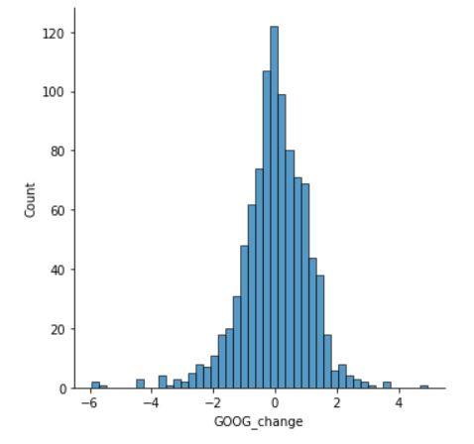

Stock Price
Distribution

Microsoft
Microsoft Stock Price Analysis

Highest Price
Lowest Price
Avg Price
 | $96.07 | $27.23 | $51.03 | $14.86
All Stocks
Price Deviation

Apple
Volume of the Stocks
 | Total
2013 | 10884560394
2014 | 8414677342
2015 | 9060335714
2016 | 7820699590
2017 | 5631888795
2018 | 829491762
Everyday Closing Price
 | Total
08-02-2013 | 27.55
11-02-2013 | 27.86
12-02-2013 | 27.88
13-02-2013 | 28.03
14-02-2013 | 28.04
15-02-2013 | 28.01
19-02-2013 | 28.045
20-02-2013 | 27.87
21-02-2013 | 27.49
22-02-2013 | 27.76
25-02-2013 | 27.37
26-02-2013 | 27.37
27-02-2013 | 27.81
28-02-2013 | 27.8
01-03-2013 | 27.95
04-03-2013 | 28.15
05-03-2013 | 28.35
06-03-2013 | 28.09
07-03-2013 | 28.14
08-03-2013 | 28
11-03-2013 | 27.87
12-03-2013 | 27.91
13-03-2013 | 27.915
14-03-2013 | 28.135
15-03-2013 | 28.035
18-03-2013 | 28.1
19-03-2013 | 28.18
20-03-2013 | 28.315
21-03-2013 | 28.11
22-03-2013 | 28.25
25-03-2013 | 28.16
26-03-2013 | 28.155
27-03-2013 | 28.37
28-03-2013 | 28.605
01-04-2013 | 28.61
02-04-2013 | 28.8
03-04-2013 | 28.56
04-04-2013 | 28.595
05-04-2013 | 28.7
08-04-2013 | 28.59
09-04-2013 | 29.61
10-04-2013 | 30.28
11-04-2013 | 28.935
12-04-2013 | 28.79
15-04-2013 | 28.69
16-04-2013 | 28.97
17-04-2013 | 28.825
18-04-2013 | 28.79
19-04-2013 | 29.765
22-04-2013 | 30.83
...

Google

Microsoft

Amazon

Stock Price Estimation
Highest price esitmation | $125.79
Lowest price esitimation | $-2.49
Volatility Change in %
Max of Volatility % | 5.11%
Min of Volatility % | -4.92%
Average of Volatility % | 0.09%
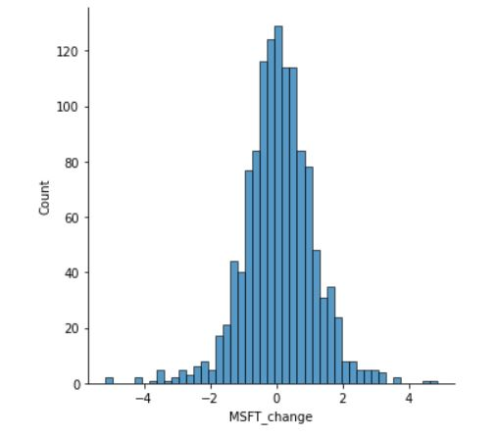

Stock Price
Distribution

Amazon
Amazon Stock Price Analysis

Highest Price
Lowest Price
Avg Price
 | $1,498 | $245.75 | $576.87 | $282.50
All Stocks
Price Deviation

Apple
Volume of the Stocks
 | Total
1 | 106551516
2 | 194397466
3 | 154754727
4 | 187331509
1 | 240000116
2 | 293552744
3 | 229663013
4 | 266987815
1 | 229411928
2 | 191378313
3 | 261754477
4 | 274714484
1 | 348360548
2 | 243644274
3 | 185989970
4 | 260810363
1 | 203185570
2 | 245890828
3 | 213688731
4 | 218252265
1 | 146335365
Everyday Closing Price
 | Total
08-02-2013 | 261.95
11-02-2013 | 257.21
12-02-2013 | 258.7
13-02-2013 | 269.47
14-02-2013 | 269.24
15-02-2013 | 265.09
19-02-2013 | 269.75
20-02-2013 | 266.41
21-02-2013 | 265.94
22-02-2013 | 265.42
25-02-2013 | 259.87
26-02-2013 | 259.36
27-02-2013 | 263.25
28-02-2013 | 264.27
01-03-2013 | 265.74
04-03-2013 | 273.11
05-03-2013 | 275.59
06-03-2013 | 273.79
07-03-2013 | 273.88
08-03-2013 | 274.19
11-03-2013 | 271.24
12-03-2013 | 274.13
13-03-2013 | 275.1
14-03-2013 | 265.74
15-03-2013 | 261.82
18-03-2013 | 257.89
19-03-2013 | 256.41
20-03-2013 | 257.278
21-03-2013 | 253.39
22-03-2013 | 257.75
25-03-2013 | 256.02
26-03-2013 | 260.31
27-03-2013 | 265.3
28-03-2013 | 266.49
01-04-2013 | 261.61
02-04-2013 | 263.322
03-04-2013 | 259.03
04-04-2013 | 259.08
05-04-2013 | 255.48
08-04-2013 | 258.95
09-04-2013 | 261.14
10-04-2013 | 264.77
11-04-2013 | 269.85
12-04-2013 | 272.87
15-04-2013 | 267.72
16-04-2013 | 272.34
17-04-2013 | 267.4
18-04-2013 | 259.42
19-04-2013 | 260.32
22-04-2013 | 263.55
...

Google

Microsoft

Amazon

Stcok Price Estimation
Highest price esitmation | $2,063
Lowest price esitimation | $-319
Volatility Change in %
Max of Volatility % | 5.98%
Min of Volatility % | -8.56%
Average of Volatility % | 0.02%
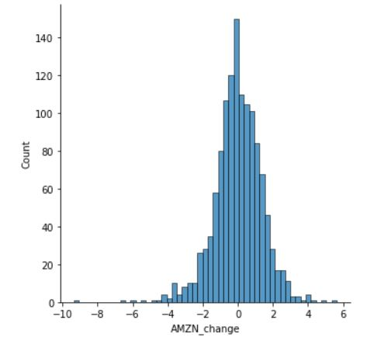
Stock Price
Distribution

